Sheet2
Resource Request Algorithms |  |  | Work =Available

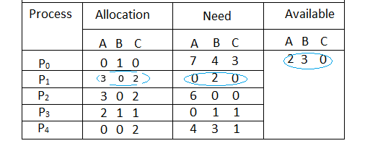
 |  | Check Condition | work= work +Allocation

 |  | Need > work , Need ,work | Work= [7 4 5]+[0 1 0]= [ 7 5 5]
 |  | Need<Work | Work= [ 2 3 0] + [3 0 2] =[ 5 3 2]
 |  | Need>work, need <work | Work= [7 5 5]+[3 0 2]=[10 5 7]
 |  | Need<Work | work= [5 3 2]+[2 1 1]=[7 4 3]
 |  | Need<work | work= [7 4 3] + [0 0 2]= [7 4 5]

 | Safe sequence= {P1, P3,P4,P0,P2}

Sheet1
 |  |  |  |  |  |  | Work =Available
 |  |  |  |  |  |  | Need <= work
Bankers Algorithm
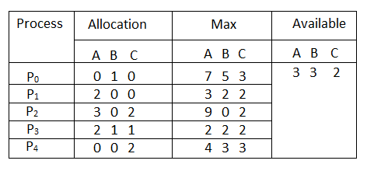
 |  |  |  |  |  |  |  | Need= Max- Allocation | Check Condition
 |  |  |  |  |  |  |  |  |  | Work= Work + Allocation

 |  |  |  |  |  |  |  | [7 5 3]-[0 1 0] = [7 4 3] | Need > work , Need <work | Work= [7 4 5]+ [0 1 0]=[7 5 5]
 |  |  |  |  |  |  |  | [3 2 2]-[2 0 0]=[1 2 2] | Need < work | Work = [ 3 3 2] +[ 2 0 0]= [5 3 2]
 |  |  |  |  |  |  |  | [9 0 2] -[3 0 2]= [6 0 0] | Need > work, Need<work | Work= [7 5 5]+[3 0 2]=[10 5 7]
 |  |  |  |  |  |  |  | [2 2 2] - [2 1 1]= [0 1 1] | Need < work | Work= [5 3 2]+ [2 1 1]=[7 4 3]
 |  |  |  |  |  |  |  | [4 3 3]- [0 0 2]= [4 3 1] | Need < work | Work= [7 4 3 ]+ [ 0 0 2]= [7 4 5]

Safe Sequence = {P1, P3,P4,P0, P2}

Q2.

Process | Allocation | Max | Work = Available | Need= Max-Allocation | Check Condition | Work=Work+Allocation
P0 | [2 0 2 1] | [9 5 5 5] | [6 3 5 4]
P1 | [ 0 1 1 1] | [2 2 3 3]
P2 | [4 1 0 2] | [7 5 4 4]
P3 | [1 0 0 1] | [3 3 3 2]
P4 | [1 1 0 0] | [5 2 2 1]
P5 | [1 0 1 1] | [4 4 4 4]
P0 | [2 0 2 1] | [9 5 5 5]

